Use_Case
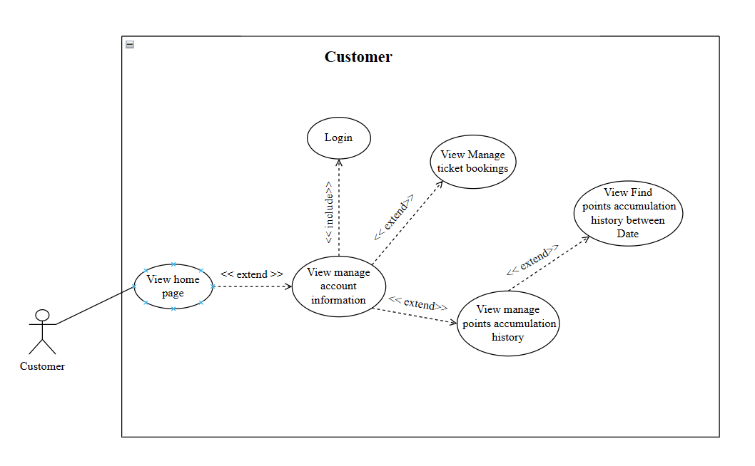
6.4.1.2. Người dùng - Quản lý đặt vé của tài khoản
6.4.1.3. Người dùng – Xem lịch sử cộng điểm

Class_Diagram
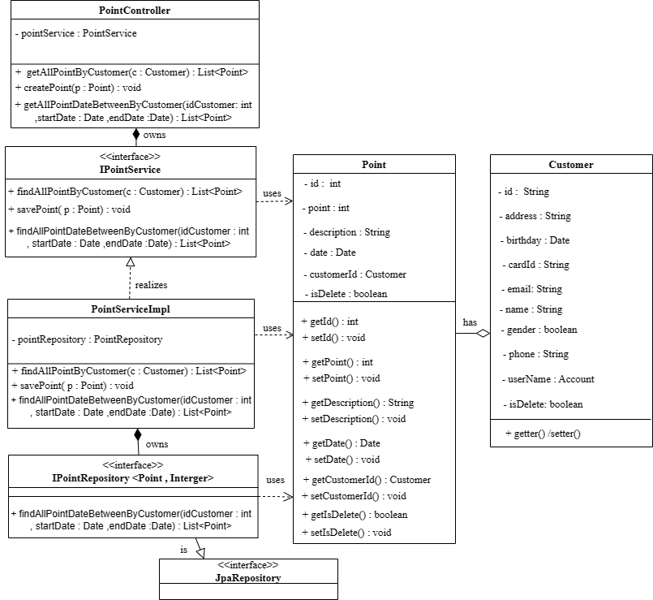
6.4.1.2. Người dùng - Quản lý đặt vé của tài khoản
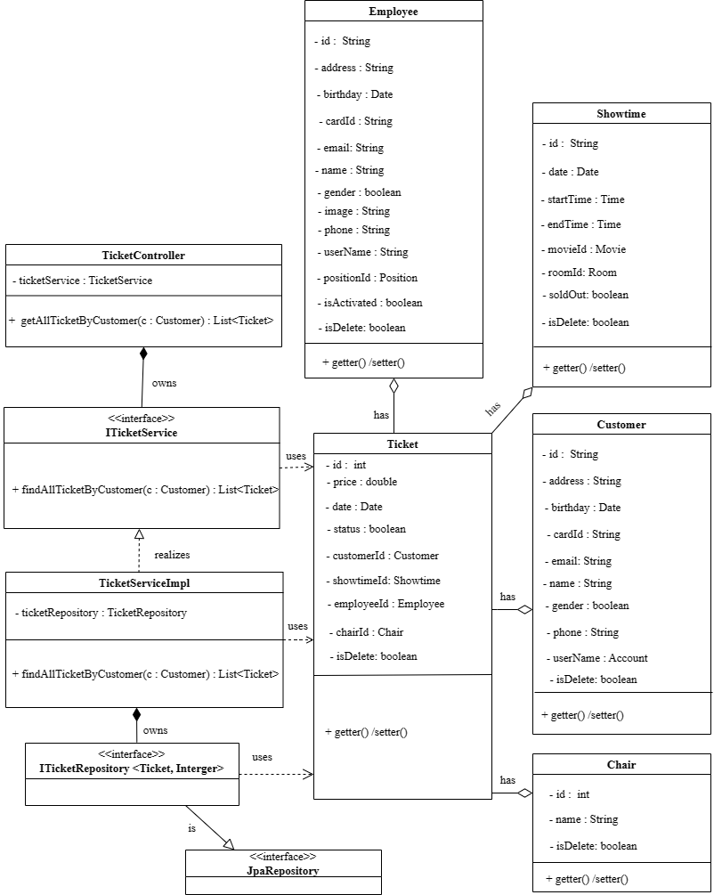

6.4.1.3. Người dùng – Xem lịch sử cộng điểm

Sequence_Diagram
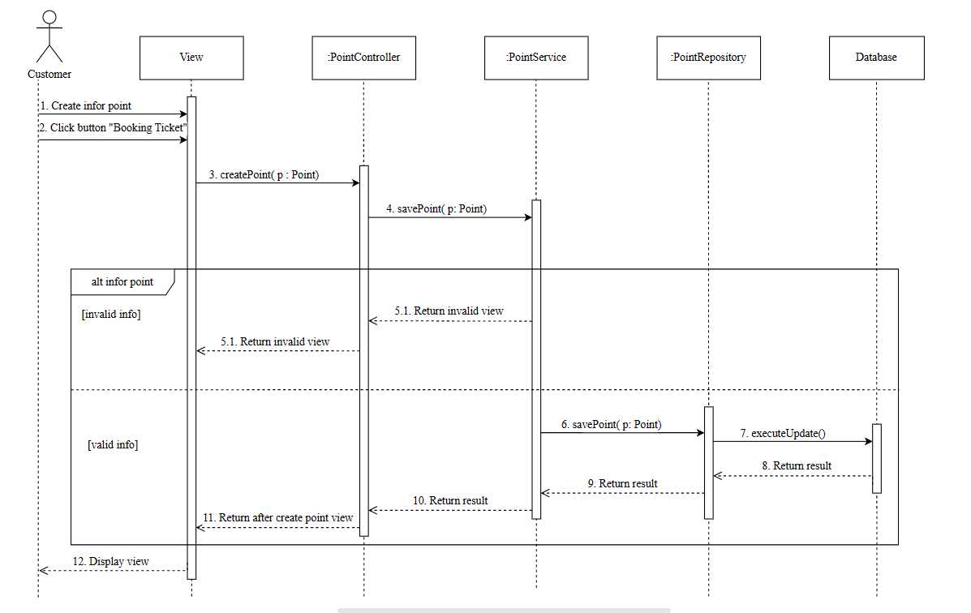
6.4.1.2. Người dùng - Quản lý đặt vé của tài khoản
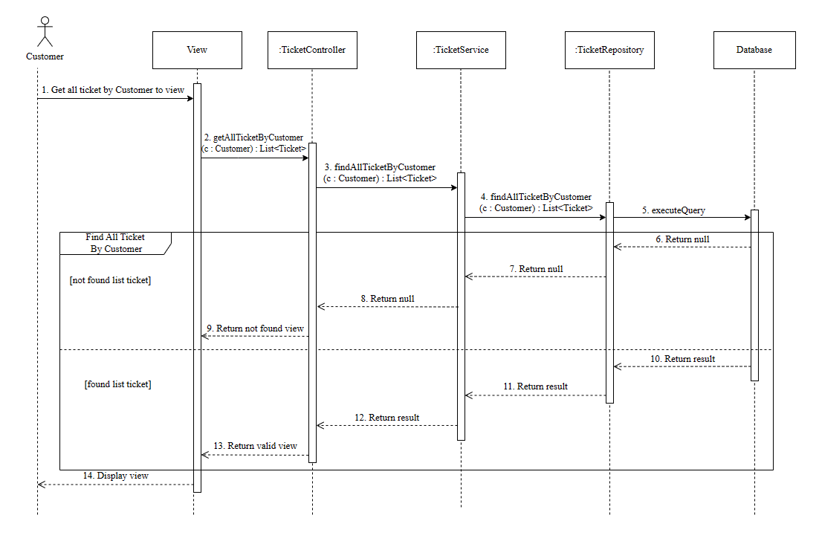

6.4.1.3. Người dùng – Xem lịch sử cộng điểm
a. Get All Point by Customer
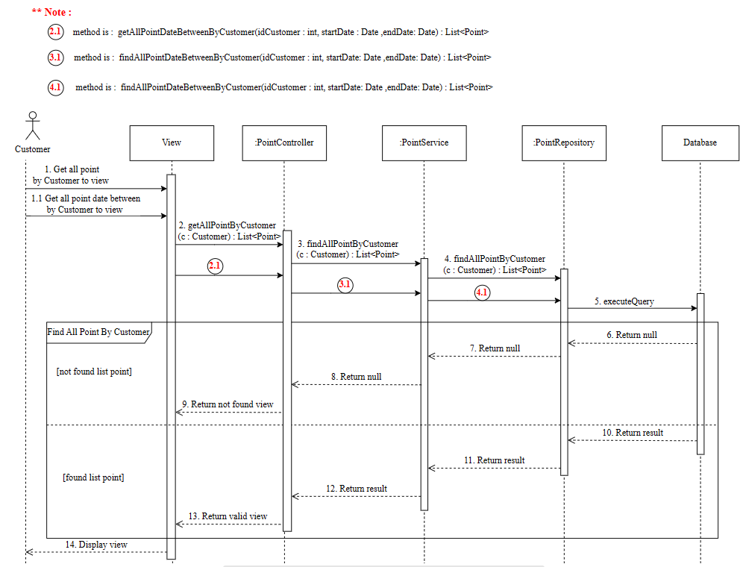

B. Save Point

